Furniture
PROJECT -RIYADH AIR OFFICE RENOVATION WORK
BOQ FOR FURNITURE WORK
Sl No | Description of Item | Unit | Quantity | Rate | Amount | Reference Images
1 | Providing and making Reception Table as per approved design and drawings or as approved by the Architect, fabricated from 19 mm thick BWP / commercial plywood framework, finished with 1 mm thick laminate / PU finish on all exposed surfaces and balancing laminate on inner faces, including necessary hardware, cable management provisions, skirting, modesty panel, drawer units, and footrest, complete in all respects as per site requirements. | Each | 1
2 | Providing and making Country Head Table as per approved design and drawings or as approved by the Architect, fabricated with 19 mm thick BWP / commercial plywood framework, finished with 1 mm thick laminate / veneer / PU polish on all exposed surfaces and balancing laminate on inner faces, including modesty panel, storage pedestal, wire management cutouts, hardware fittings, and all necessary accessories, complete in all respects as per site requirement and as directed. | Each | 1
3 | Providing and making Manager Table as per approved design and drawings or as approved by the Architect, made with 19 mm thick BWP / commercial plywood framework, finished with 1 mm thick laminate / veneer / PU finish on all exposed surfaces and balancing laminate on inner sides, including modesty panel, side storage, drawer unit, cable management provisions, and all necessary hardware fittings, complete in all respects as per site requirements and as directed. | Each | 2
4 | Providing and making Discussion Round Table with glass top as per approved design and drawings or as approved by the Architect, consisting of a base made of 19 mm thick BWP / commercial plywood or MS frame, finished with 1 mm thick laminate / veneer / PU finish, and 12 mm thick clear toughened glass top with polished edges fixed over the table surface, including all necessary fittings, supports, and accessories, complete in all respects as per site requirement and as directed. | Each | 2 |  |  | 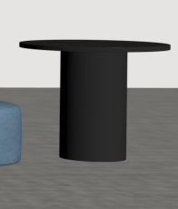
5 | Providing and supplying Couch of approved design, make, and shade as approved by the Architect, made with hardwood frame, high-density foam, and upholstered with approved fabric or leatherette finish, complete in all respects as directed at site. | Each | 2 |  |  | 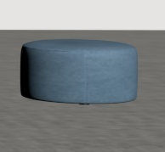
5 | Providing and installing factory-made Telephone Booth of approved make, model, and design as approved by the Architect, complete with acoustic wall panels, glass door, ventilation fan, internal lighting, electrical points, and all necessary accessories, fixed securely in position as per manufacturer’s specifications and as directed at site. | Each | 1 |  |  | 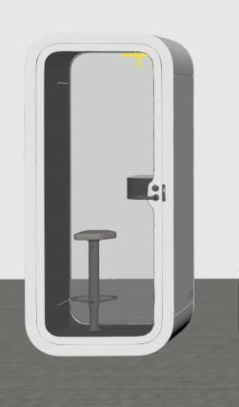
6 | Providing and making Low Height Storage Unit as per approved design and drawings or as approved by the Architect, made of 19 mm thick BWP / commercial plywood, finished with 1 mm thick laminate on all exposed surfaces and balancing laminate on inner faces, including adjustable shelves, shutters with soft-close hinges, locks, handles, edge banding, and all necessary hardware and accessories, complete in all respects as per site requirement. | sqft | 195
7 | Providing and making Full Height Storage Unit (2400 mm height) as per approved design and drawings or as approved by the Architect, made of 19 mm thick BWP / commercial plywood, finished with 1 mm thick laminate on all exposed surfaces and balancing laminate on inner faces, including intermediate shelves, shutters with soft-close hinges, locks, handles, edge banding, and all necessary hardware and fittings, complete in all respects as per site requirements. | sqft | 120
8 | Providing and making Discussion High Table as per attached photo or as approved by the Architect, fabricated from 19 mm thick BWP / commercial plywood or MS frame structure, finished with 1 mm thick laminate / veneer / PU polish on all exposed surfaces and balancing laminate on inner sides, including necessary supports, edge banding, footrest, and all required hardware and fittings, complete in all respects as per site condition. | Each | 1
9 | Providing and supplying Double Seater Sofa of approved design, make, and shade as approved by the Architect, having internal frame made of seasoned hardwood, seat and back with high-density foam of approved thickness and density, upholstered with approved fabric / leatherette finish, complete with polished / powder-coated legs and all necessary accessories, complete in all respects as per site requirement. | Each | 2 |  |  | 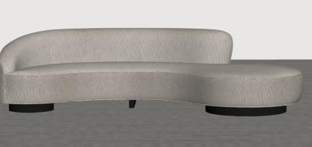
10 | Providing and supplying Lounge Chair (Type–1) as per attached images or as approved by the Architect, of approved make, model, and finish, having internal frame made of seasoned hardwood, high-density foam cushioning, and upholstered with approved fabric / leatherette, including polished / powder-coated base or legs and all necessary fittings, complete in all respects as per site requirement. | Each | 10 |  |  | 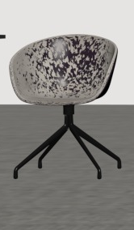
11 | Providing and supplying Lounge Chair (Type–2) as per attached images or as approved by the Architect, of approved make, model, and finish, having internal frame made of seasoned hardwood, high-density foam cushioning, and upholstered with approved fabric / leatherette, including polished / powder-coated base or legs and all necessary fittings, complete in all respects as per site requirement. | Each | 2 |  |  | 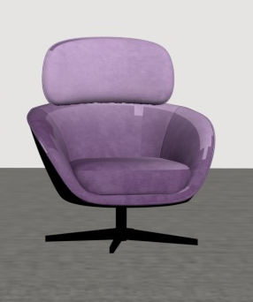
12 | Providing and supplying Café Chair of approved design, make, and shade as approved by the Architect, made of molded plastic / metal / wooden frame with upholstered or plain seat and back, complete in all respects as directed at site. | Each | 5
13 | Providing and supplying Executive Chair of approved make, model, and shade as approved by the Architect, with adjustable height, tilt mechanism, cushioned seat and back, upholstered with approved fabric or leatherette, and mounted on a swivel base with castor wheels, complete in all respects as directed at site. | Each | 13 |  |  | 